Product
PT. NUTRIFOOD INDONESIA |  |  | KODE FORM : F.Q.201


PENGEMBANGAN KONSEP AWAL PRODUK BARU
( PKP )
Tropicana Slim
Sugar Free Instant Pancake (Pance)
Author |  | : | Annice
Last Updated On |  | : | 2020-08-05
 | Revision No | : | 0
Background
Idea | Tropicana Slim Sugar Free Instant Pancake
Target market | MF 25+ Upper 1,2
Uniqueness of idea | weak - moderate - strong
Estimated potential market | niche - in between - mass
Reason(s) | Due to Covid, cooking & baking are rising. People tend to cook at home and experimenting new recipes, e.g : pancake
Market Analysis
Launch Deadline | 2021
Aisle Placement | Aisle Instant Cake Mix
Sales Forecast | Rp50,000,000

NF Selling Price | Rp14,000
Consumer Price Target | Rp17,477

Main Competitor | Pondan, Chesa, Mama Suka, Ladang Lima Pancake
Competitive Analysis | TBN
Product Features
Product Form | Powder
Product Packaging | Zipper Pouch Premium Packaging / dus
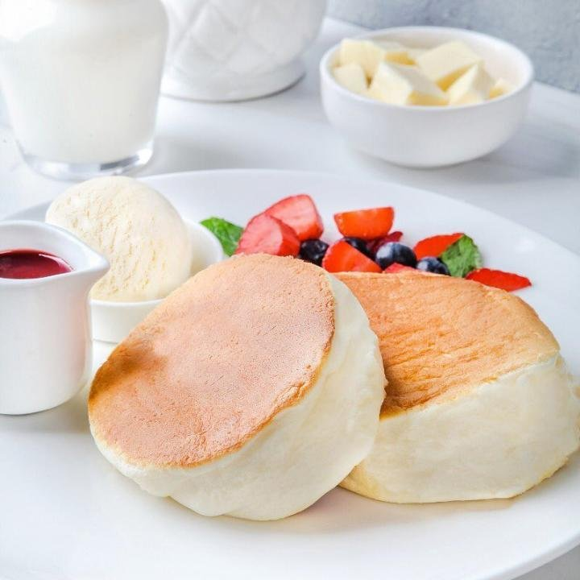
Kategori Pangan (BPOM)
Prefered Flavour | Original / (if possible) Japanese Souffle Pancake
Product Benefits | Sugar Free
 | Less Calorie ( xx calorie)
 | High Fiber (optional)
 | No Mixer
 | with sugar free honey topping (tentative)

Mandatory Ingredients
Related Picture | see sheet reference (foto bisa tempting seperti Japanese Souffle Pancake)

ATTENTION!
 | compulsory; filled by QBX (brand function) Managers
 | should only be filled with great certainty
 | should only be filled after discussion with QPA
Service Level Agreements | Lead Time QBX (brand function) |  | 5 workdays
 | Lead Time QPA (product development function) |  | [1 (benefits) + 2 (COGS)] = 2 workdays
 | Lead Time Revision |  | 2 workdays
Processes | After being filled. HOD approval request. Then, forward to RD as low priority project. Will be further prioritized in PV Cross Funct Mtg. Meanwhile, RD can prepare SLA projection to propose into PV's SLA for the project based on capacity and feasibility.

 |  |  | Revisi / Berlaku : 04 / 24.02.10
 |  |  | Lama Simpan : Selamanya

Market
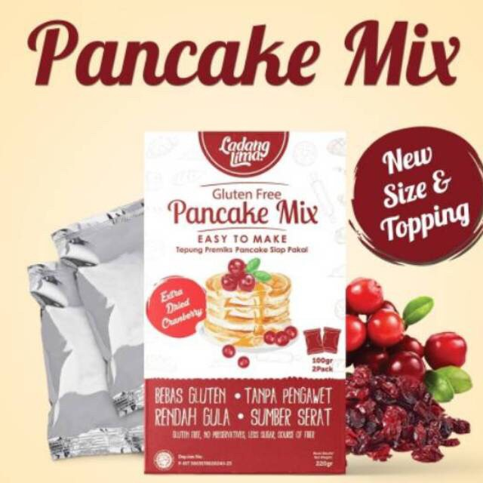
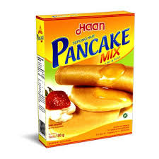
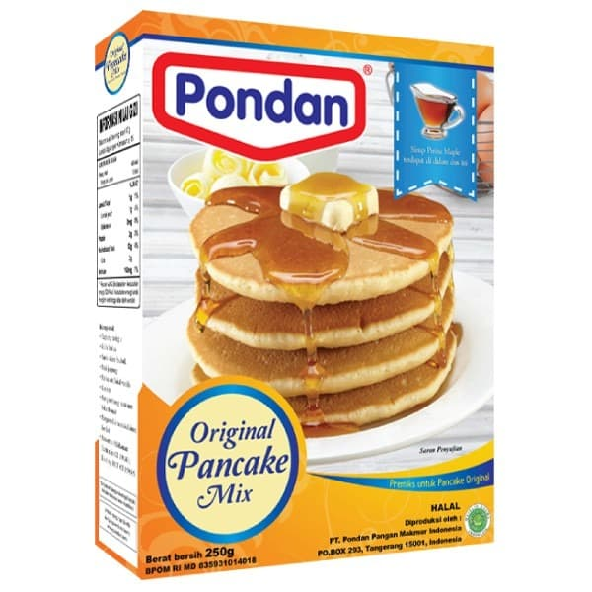
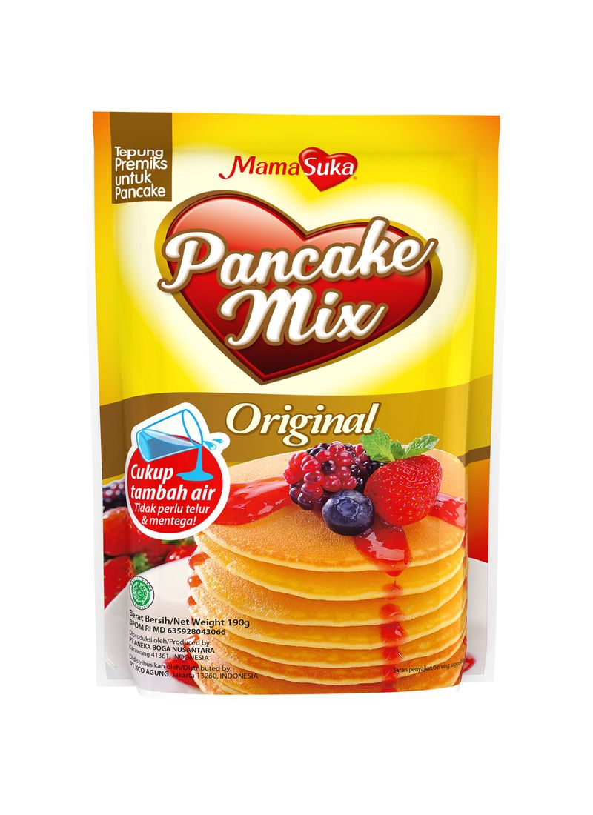
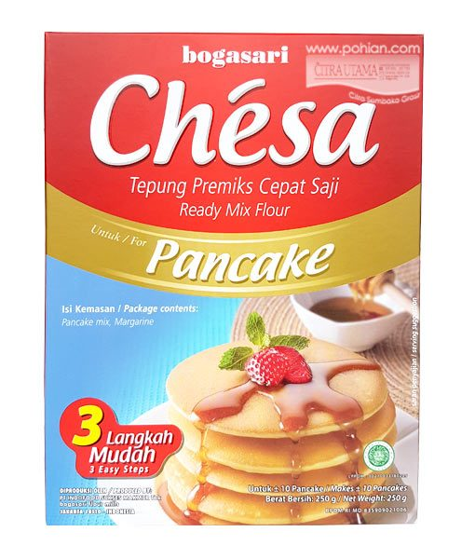
Brownies Instan
Merk | Harga | gram | Harga/gram | Harga per 250 gr
Ladang Lima Pancake Mix Extra Dried Cranberries 220 gr | Rp20,000 | 220 | 90.9 | Rp22,727
Haan Pancake Mix 180 gr | Rp15,000 | 180 | 83.3 | Rp20,833
Pondan Original Pancake Mix 250 gr | Rp17,300 | 250 | 69.2 | Rp17,300
Mamasuka Pancake Mix 190 g | Rp9,900 | 190 | 52.1 | Rp13,026
Chesa Pancake 250g | Rp13,500 | 250 | 54.0 | Rp13,500
 |  |  | HET Avg | Rp17,477
 |  |  | Price List | Rp13,982
 |  |  | Bulatkan | Rp14,000

Market Potency
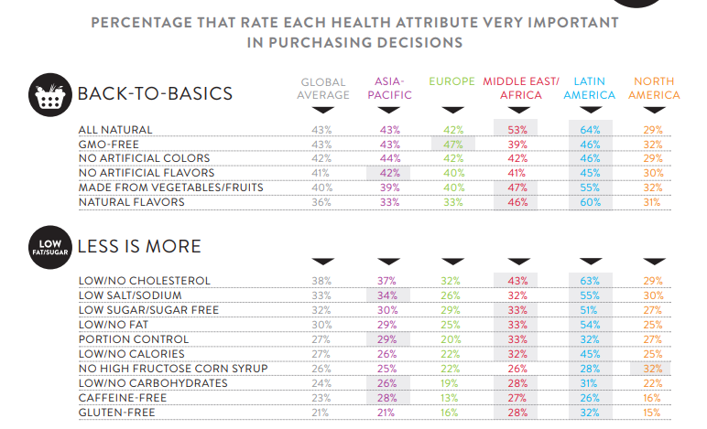
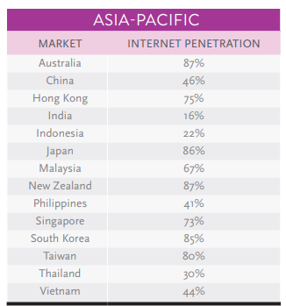
Jumlah penduduk Indonesia |  | 267,000,000
SES SU, U12 |  | 30% | Indonesian population
F, 25-50 |  | 38% | Indonesian population
Diabetes |  | 6.5%
Suka Memasak |  | 87%
Suka Baking / Bikin Kue |  | 25%
Membuat Pancake |  | 10%
Healthy Concern |  | 30%
Choose Tropicana Slim |  | 30%

Target market TS |  | 3,873 | persons

Consume TS
- 1 pack per bulan |  | 3,873 | portion

Price TS |  | IDR 14,000 | per portion

Sales potency |  | IDR 54,219,970 | per month

 | pembulatan | 50,000,000 | per month

 |  |  |  | 464982 | 883883
 |  |  |  | 524826
 |  |  |  | 509726 | 6947659
 |  |  |  | 451364
 |  |  |  | 380792 | 10177924
 |  |  |  | 323266 | 3230265
 |  |  |  | 323266 | 68%
 |  |  |  | 267752
 |  |  |  | 284080
 |  |  |  | 375893
 |  |  |  | 2916139
 |  |  |  | 27.3%

Insight
